Sheet1
 |  | Document No. | Issue No. | Issue Date |  | Review and Replace Date |  | Authorised By
 |  | GFF293MC | 1 | 12.04.2021 |  | New issue
 |  | Document Title | 20 Chicken Tikka Samosa Large 1500g
 |  |  |  |  |  |  |  | Magda Shah
Document amendments reason for change |  | New document | Page 1 of 1 |  | Previous Issue Date |  | New issue | Uncontrolled copy unless signed original

CCSAM-B20T | GAZEBO |  | 20 Chicken Tikka Samosa Large 1500g
STEP 1 |  |  |  |  | STEP 2
 |  |  |  |  | 

Tray: H320/100-CLEAR (554) (PKNUT001-06) |  |  |  |  | Chicken Tikka Samosa Large 75g (GFF004R): 20 Pieces (1500g)
Film: PP410AF (PKPRO001-10)
STEP 3
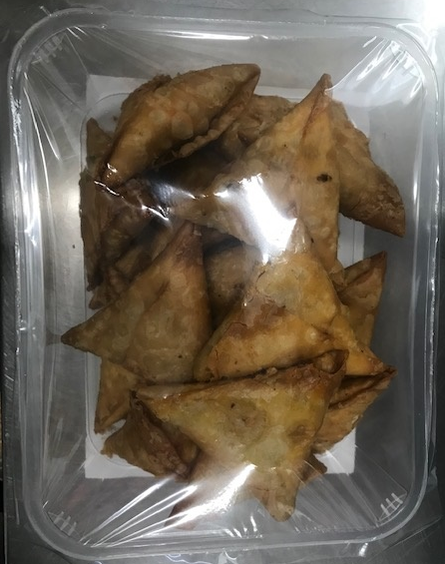

TOTAL WEIGHT: 1500g

ALLERGY ALERT: WHEAT, SOYA

